Sheet1
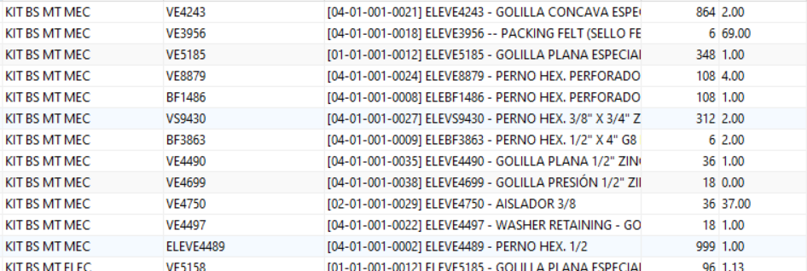
ELEGE1019 | BARRA SUPERIOR SIEMENS | 6 | 92
ELEGE1020 | SEGURO CORTA FUEGO | 6 | 50
ELEGE1062 | RESORTE RETARDO | 6 | 35
ELEGE1064 | ARCO DE AJUSTE | 6 | 152
ELEGE0696 | KIT, ARC CHUTE | 6 | 1001
ELEGE1075 | KIT TIPS STANDARD, PARA CONTACTOR [GE0647] | 6 | 209
ELEGE1075 | KIT TIPS STANDARD, PARA CONTACTOR [GE0647] | 6 | 209

